COVER
Fitz Roy Patagonia SL |  |  | COVER

STYLE REFERENCE: |  |  | CALENDAR:
NAME: | Poncho Andino |  | ITEM | IN-HOUSE | Attention:
SEASON: | AW 25/26 |  | Lab Dips
VENDOR: |  |  | Knitdowns
COO: |  |  | Protos
CREATED BY: | Carolyn Chandler |  | Swing tickets
DATE SENT: | 09/04/2025 |  | Sales Samples
 |  |  | Bulk Delivery Landed
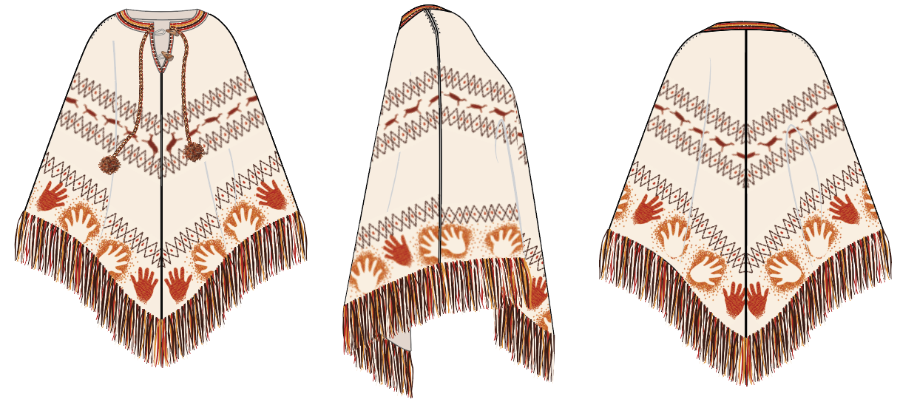 FRONT SIDE BACK

REVISIONS
DATE | NAME | TAB | DESCRIPTION

CALL OUTS
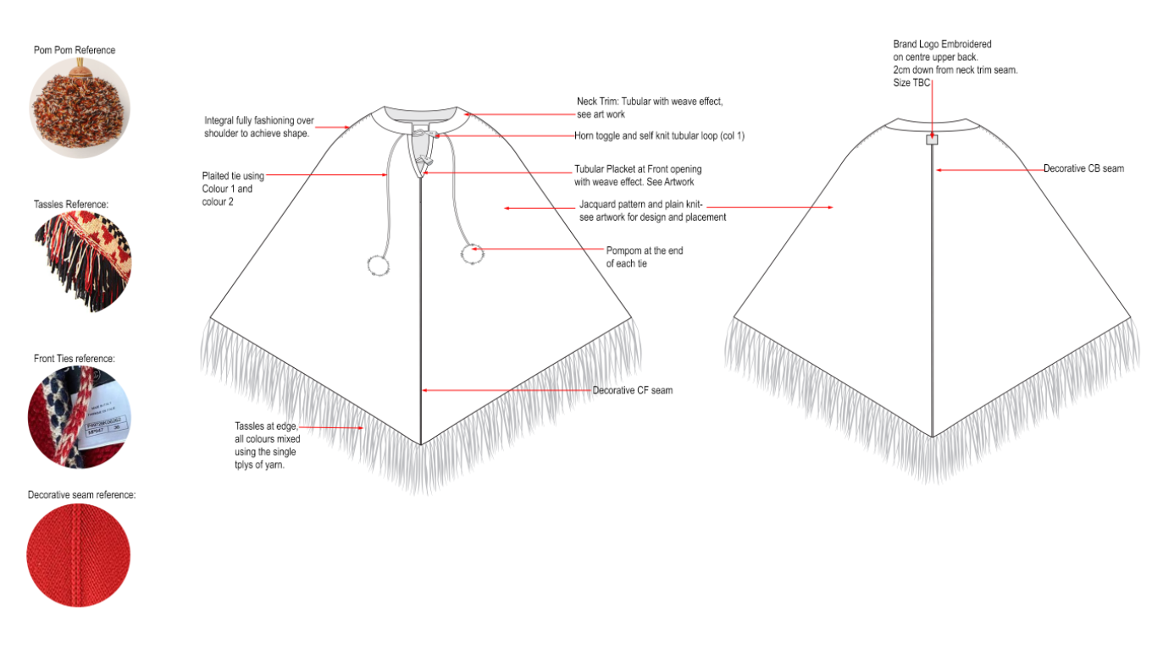
Fitz Roy Patagonia SL |  | Tech Sketches

FLAT SKETCH

CODE | DESCRIPTION |  | MEASUREMENT
A
B
C

ARTWORK
Fitz Roy Patagonia SL |  | Tech Sketches

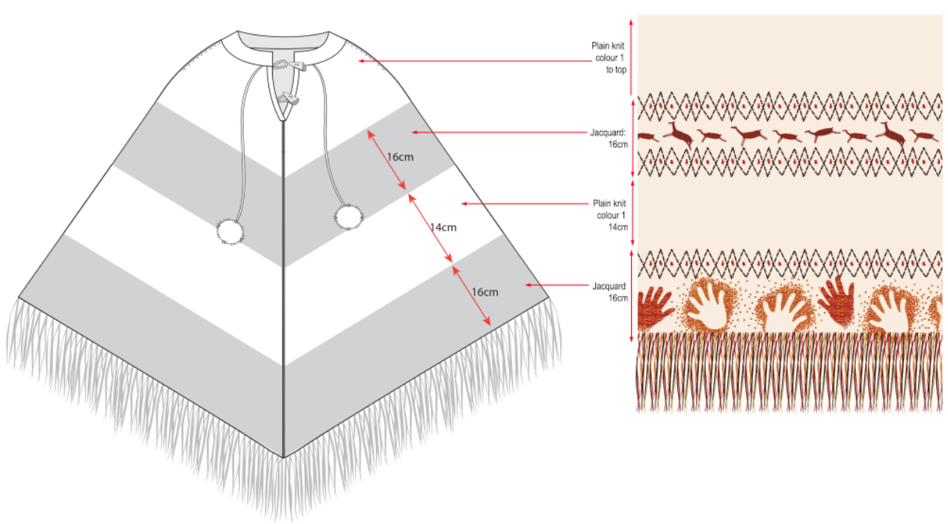
ARTWORK PLACEMENT |  | Please scroll down

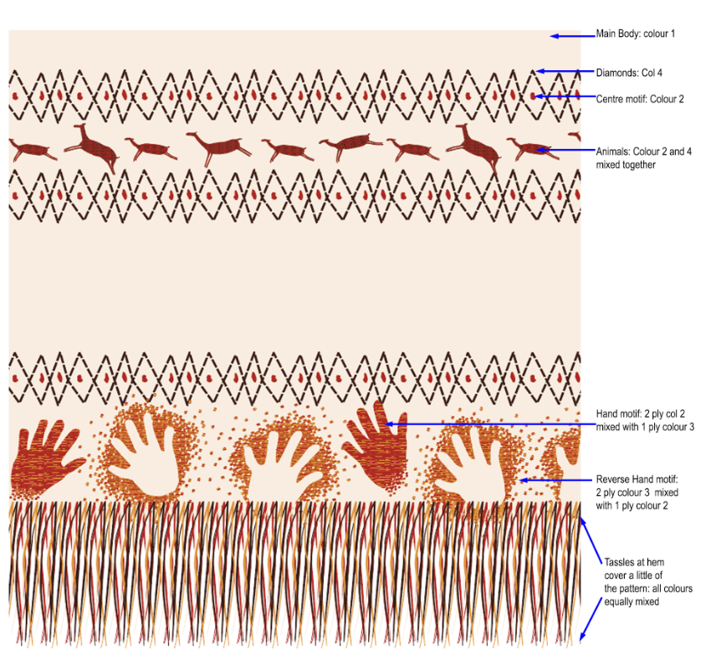
ARTWORK colour positions
See separate pdf file for full size artwork
NECKLINE
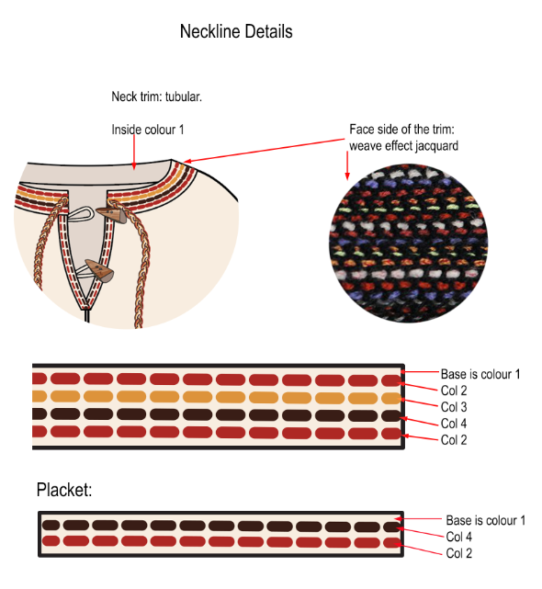
DATE | REVISION

LABELLING
zz |  | Labelling

Branding
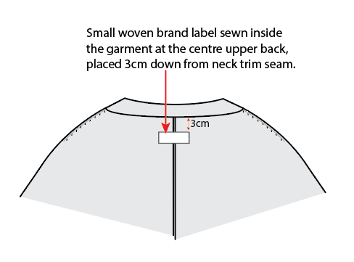 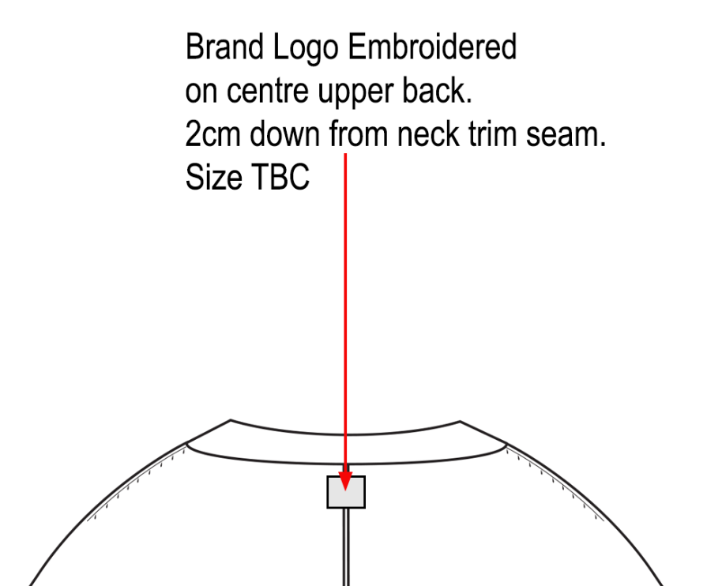 Actual branding and labeling size TBC

Care Label
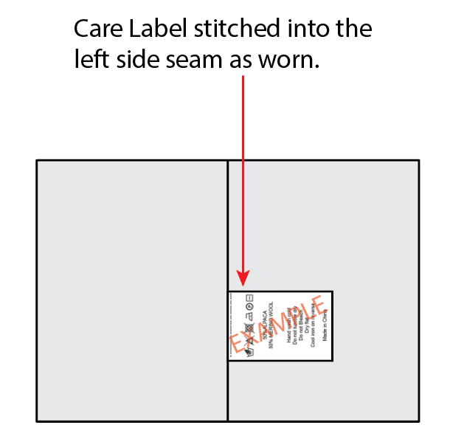 Care Label artwork TBC based on: Final composition Country of Origin Place of sale (i.e. EU or US regulations)
REf | DESCRIPTION |  | MEASUREMENT

COLOURWAYS
Fitz Roy Patagonia SL |  |  |  |  | COLOURWAYS

Colourway 1 |  |  | Colourway 2
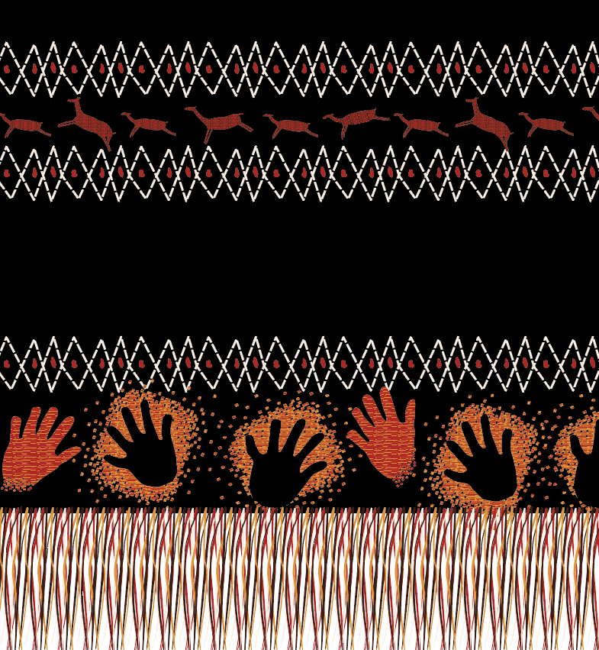 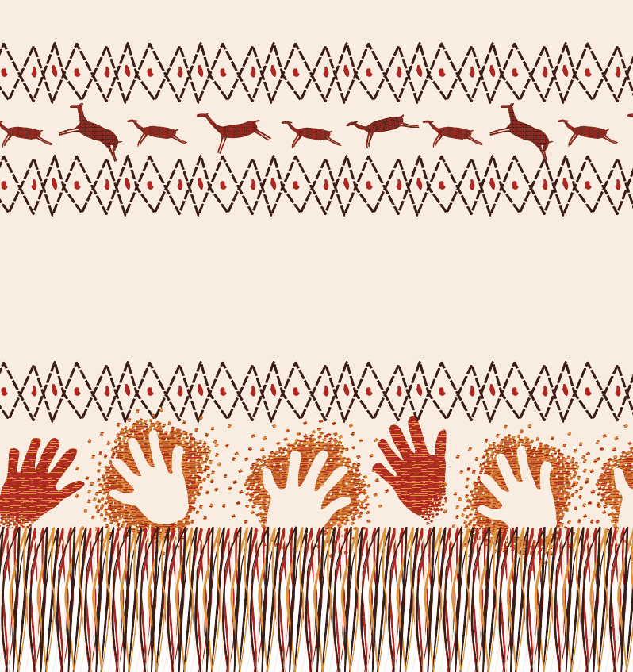

 |  | Yarn 1 | Yarn 2 | Yarn 3 | Yarn 4
Colourway 1 | Colour | Off white | Red | Mustard | Brown
 | Colour hex code | f7ece0 | af230d | db933a | 3a1e18
Colour image
Colourway 2 | Colour | Black | Red | Mustard | Off white
 | Colour hex code | / | af230d | db933a | f7ece0

POINTS OF MEASURE
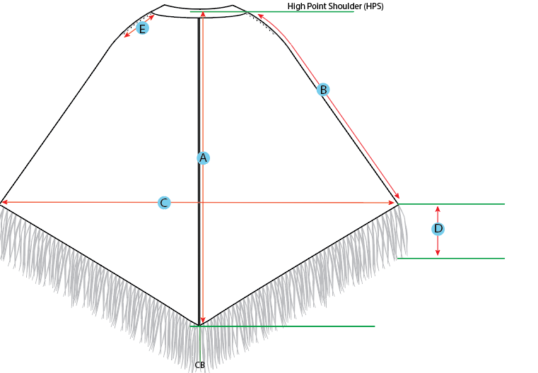
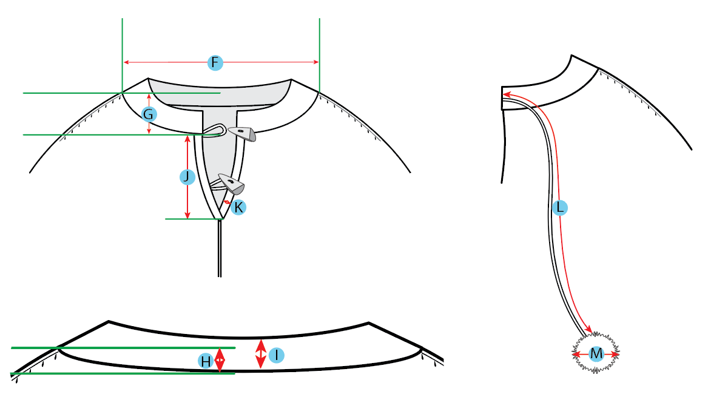
Fitz Roy Patagonia SL | Points of Measure

